Functionality Text Analytics
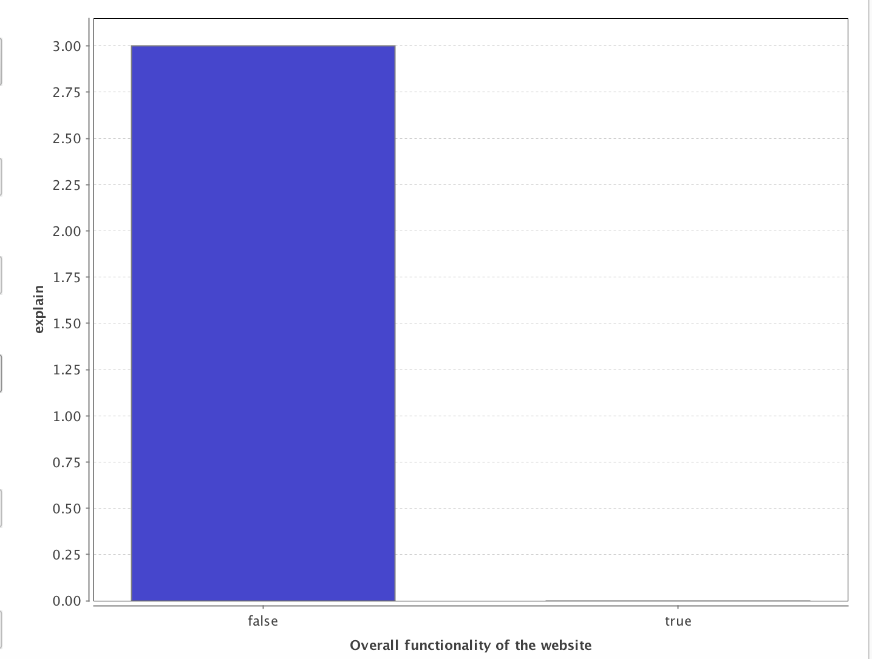
Functional Design
scroll | 1
took | 0.96729798708
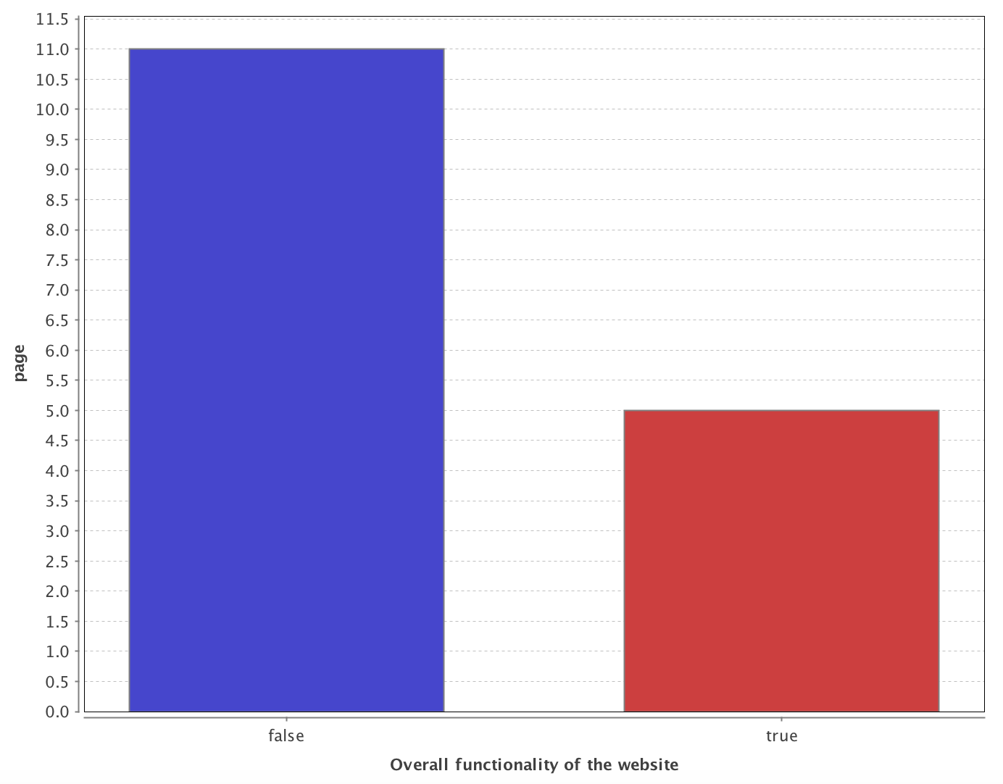
luck | 0.77894191331
seem | 0.77894191331
s | 0.74149042128
explain | 0.72006361717
front | 0.72006361717
load | 0.72006361717
manhattan | 0.72006361717
section | 0.72006361717
page | 0.58744692565
access | 0.5801784834
concept | 0.5801784834
d | 0.5801784834
expand | 0.5801784834
intuit | 0.5801784834
job | 0.5801784834
ll | 0.5801784834
state | 0.5801784834
area | 0.52743196492
live | 0.52743196492
i | 0.52703275882
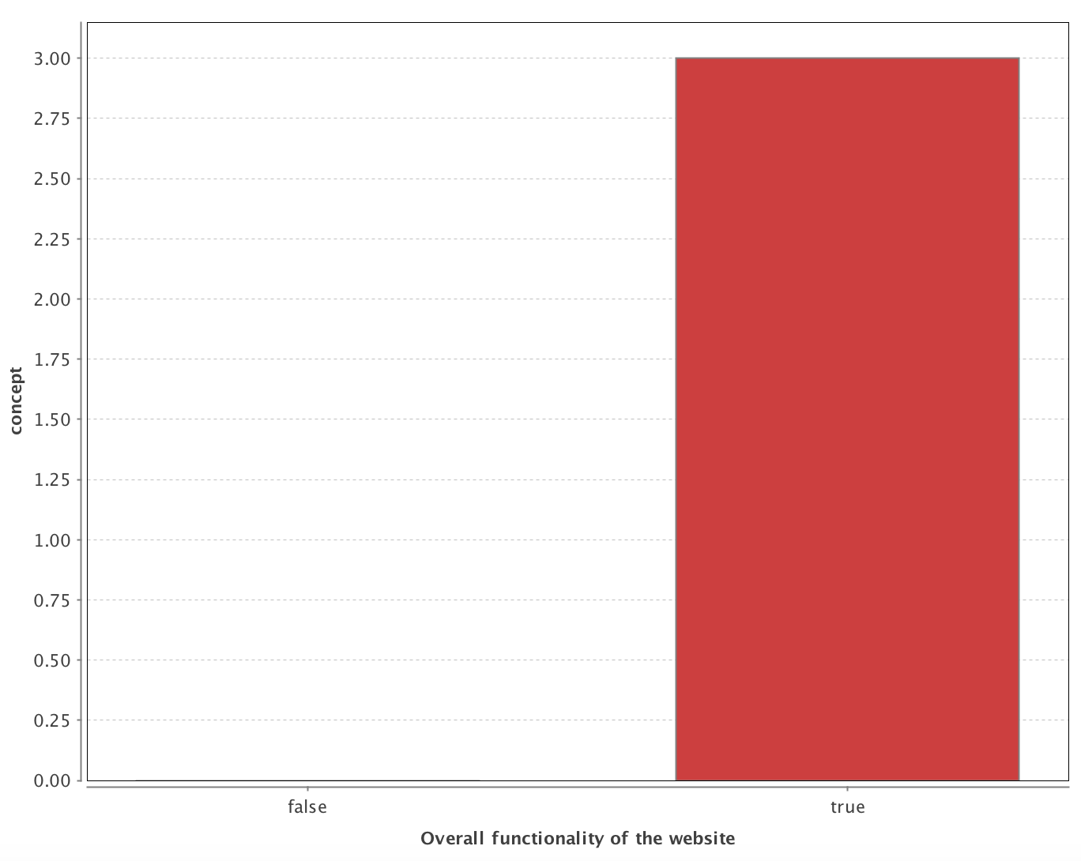
product | 0.5190049739
good | 0.5036413246
wish | 0.39455660979
bit | 0.38284594081
info | 0.38284594081
know | 0.38284594081
mayb | 0.38284594081
navig | 0.38284594081
option | 0.38284594081
servic | 0.37727174771
idea | 0.3460050471
read | 0.29494954282
made | 0.25151110979
like | 0.24023216154
food | 0.22626181123
clear | 0.2156935244
comment | 0.2156935244
easi | 0.2156935244
easier | 0.2156935244
go | 0.2156935244
place | 0.2156935244
qualiti | 0.2156935244
make | 0.18507682235
websit | 0.16902078624
come | 0.16257409968
nomz | 0.14949828748
us | 0.13898059441
appeal | 0.12155068514
layout | 0.12155068514
try | 0.12155068514
actual | 0.07870360245
choic | 0.07870360245
color | 0.07870360245
cook | 0.07870360245
cool | 0.07870360245
dai | 0.07870360245
link | 0.07870360245
main | 0.07870360245
memori | 0.07870360245
photo | 0.07870360245
restaur | 0.07870360245
ship | 0.07870360245

Visual Text Analytics
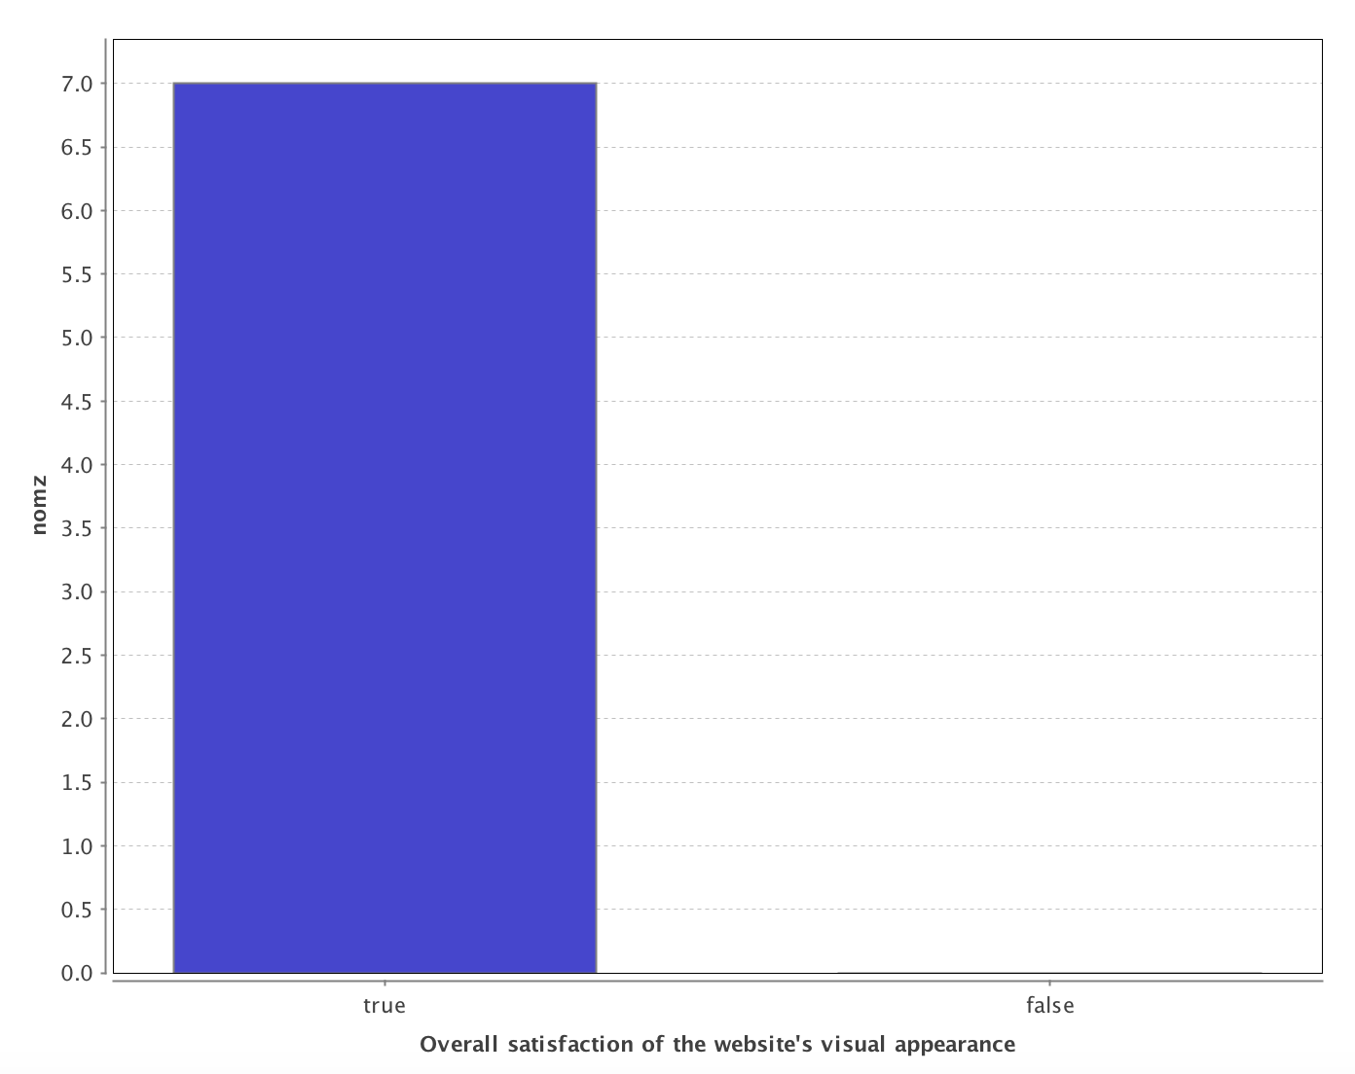
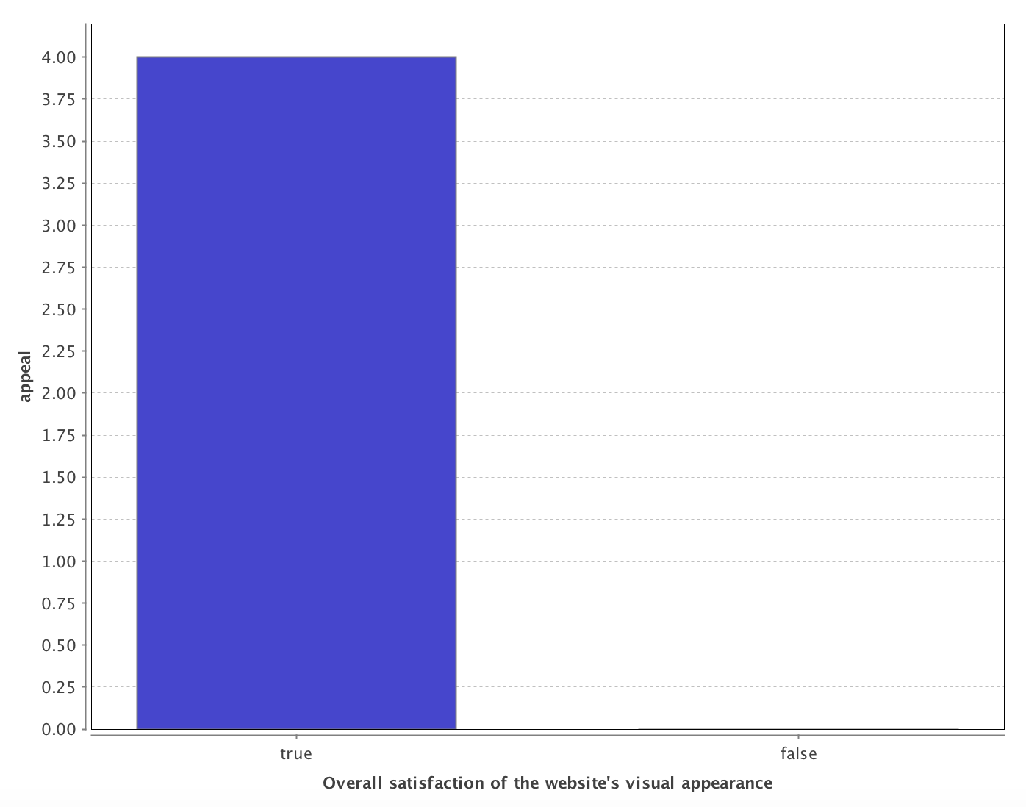
Visual Design
s | 1
live | 0.7847265142
nomz | 0.7847265142
wish | 0.68699664078
front | 0.66932556275
load | 0.66932556275
manhattan | 0.66932556275
memori | 0.66932556275
put | 0.66932556275
deliveri | 0.66835638487
thought | 0.66835638487
appeal | 0.44002446586
layout | 0.44002446586
get | 0.43660342671
navig | 0.43660342671
top | 0.38818559114
scroll | 0.37237177221
access | 0.3279880198
amaz | 0.3279880198
beauti | 0.3279880198
concept | 0.3279880198
cool | 0.3279880198
d | 0.3279880198
eat | 0.3279880198
expand | 0.3279880198
intuit | 0.3279880198
job | 0.3279880198
obviou | 0.3279880198
sai | 0.3279880198
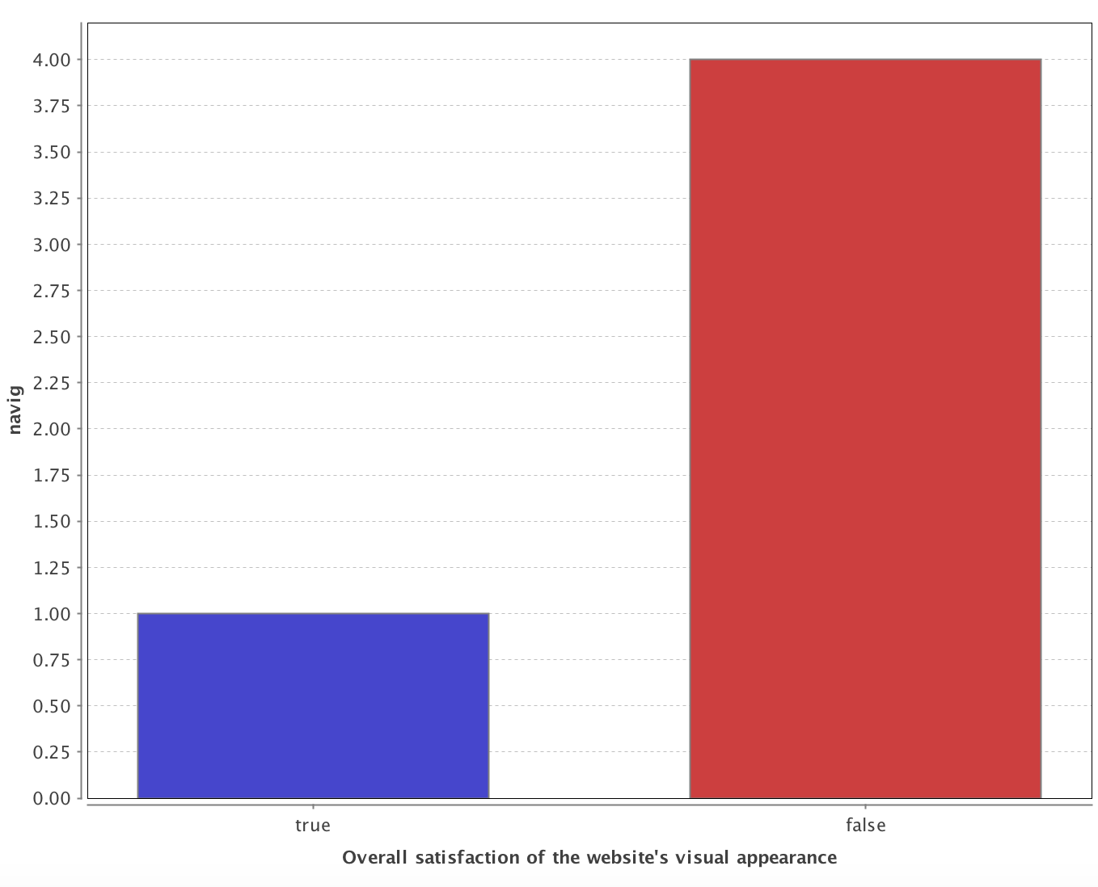
user | 0.3279880198
websit | 0.32432472879
page | 0.29099386889
clear | 0.2650955109
luck | 0.2650955109
qualiti | 0.2650955109
took | 0.2650955109
idea | 0.25865229514
area | 0.229336885
think | 0.229336885
avail | 0.15431325168
bui | 0.15431325168
design | 0.15431325168
servic | 0.15431325168
made | 0.1403095001
i | 0.13792951828
look | 0.13324764052

Information Text Analytics
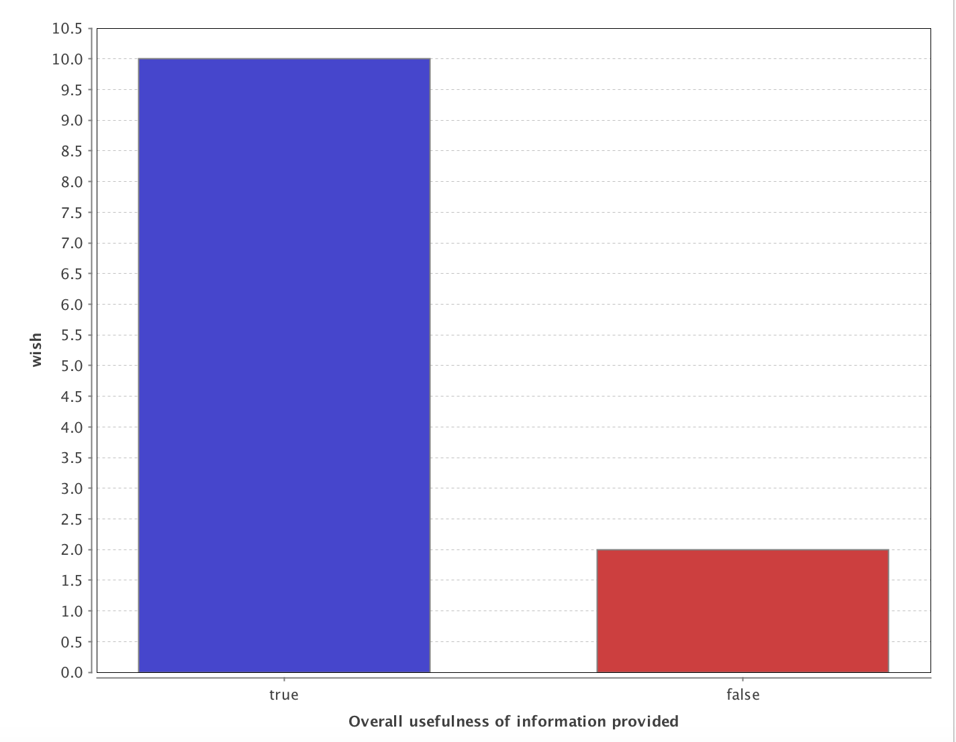
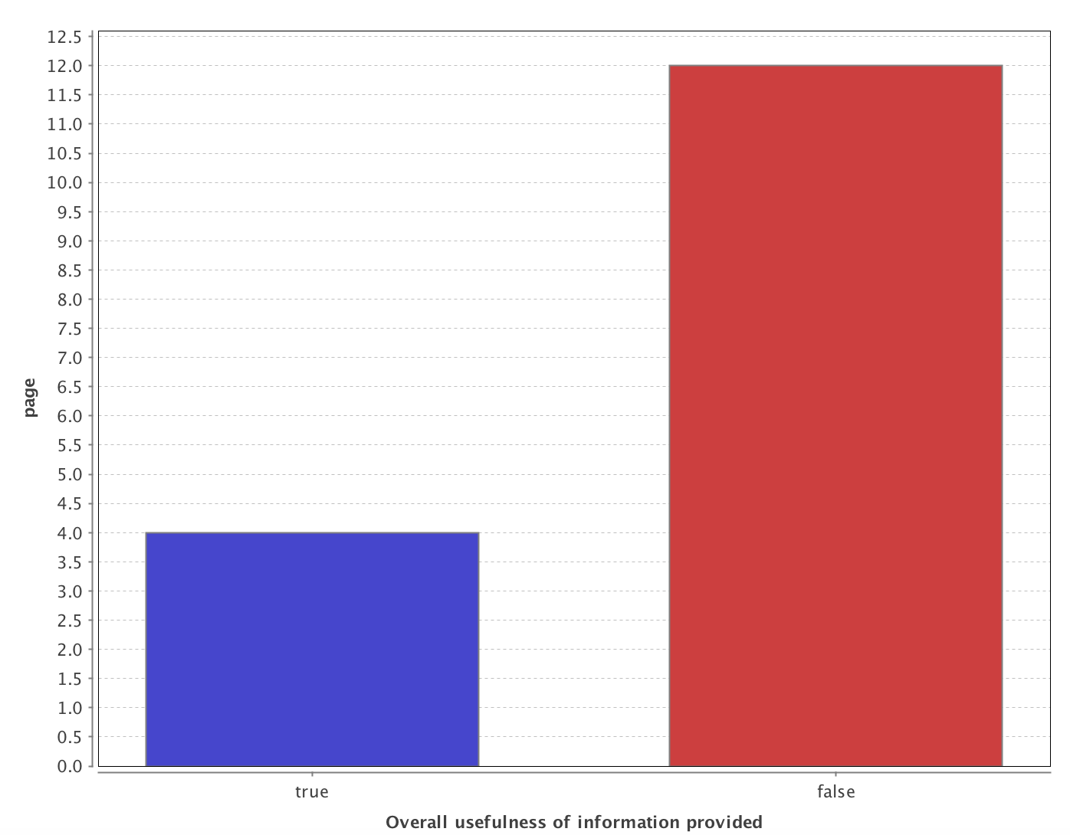
Information Design
great | 1
get | 0.74082211331
wish | 0.72455883532
consid | 0.62117883117
took | 0.58850362775
s | 0.58554699275
page | 0.4817300933
amaz | 0.46257393423
concept | 0.46257393423
d | 0.46257393423
actual | 0.43830635488
front | 0.43830635488
link | 0.43830635488
load | 0.43830635488
memori | 0.43830635488
obviou | 0.43830635488
put | 0.43830635488
section | 0.43830635488
work | 0.43830635488
avail | 0.34234137233
come | 0.30902466371
scroll | 0.25604817058
bit | 0.20150616739
info | 0.20150616739
know | 0.20150616739
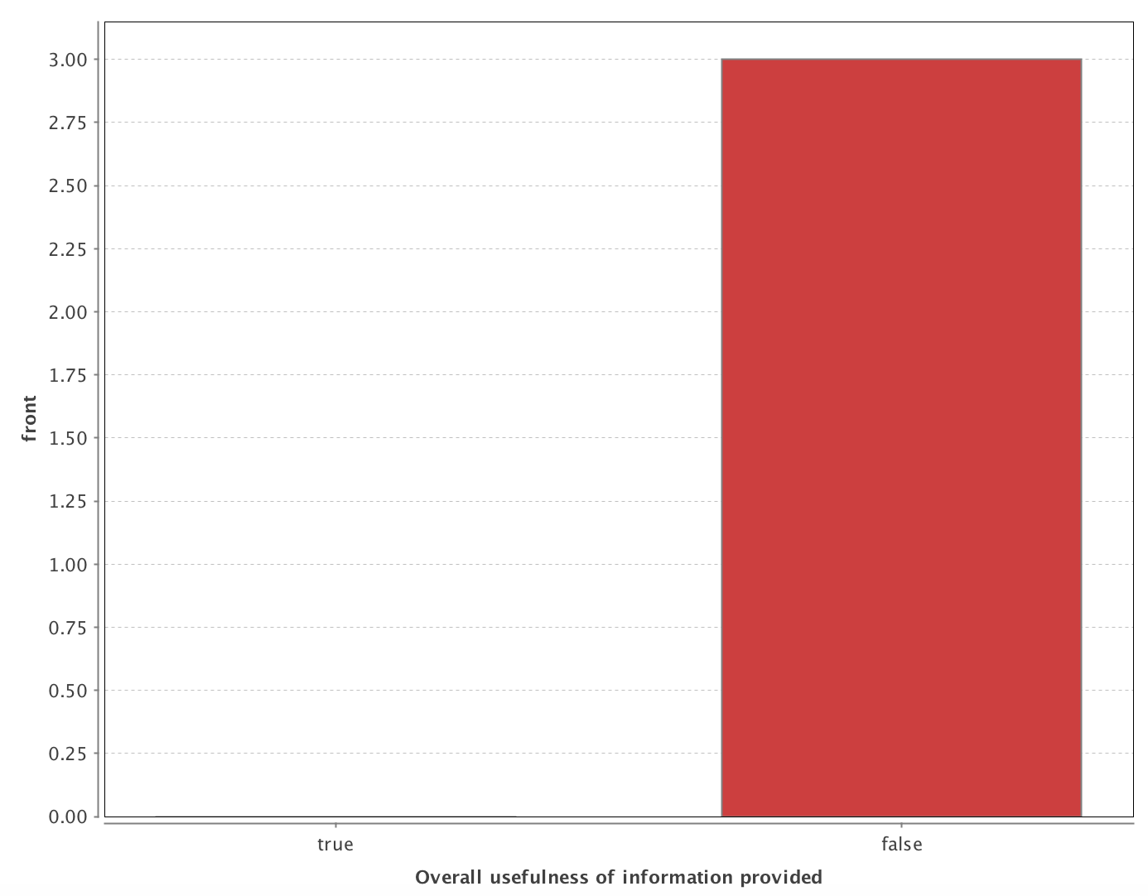
menu | 0.20150616739
navig | 0.20150616739
area | 0.16316771294
live | 0.16316771294
find | 0.14795348085
nomz | 0.13793823916
top | 0.13793823916
appeal | 0.12331292792
definit | 0.12331292792
easi | 0.12331292792
seem | 0.12331292792
websit | 0.1179956781
clear | 0.10698137568
comment | 0.10698137568
easier | 0.10698137568

